Q-1
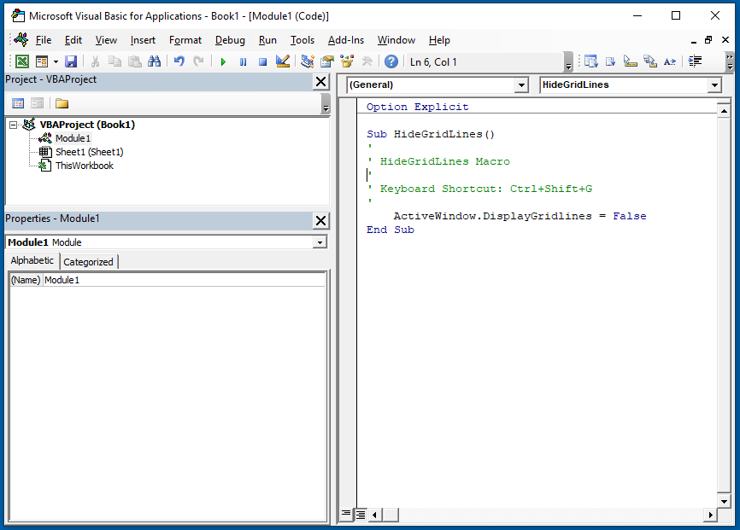
Q-1 What are modules in VBA and describe in detail the importance of creating a module?
◊ A VBA module is used to store any VBA code that you have written in the VBE (Visual Basic Editor).

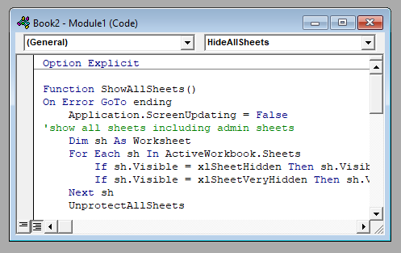

◊ The modules are contained within a VBA Project and when the file is saved – be it an Excel workbook, Word document or Access database, the module or modules are saved within that file –
that file is essentially the parent application of the module.

Q-2
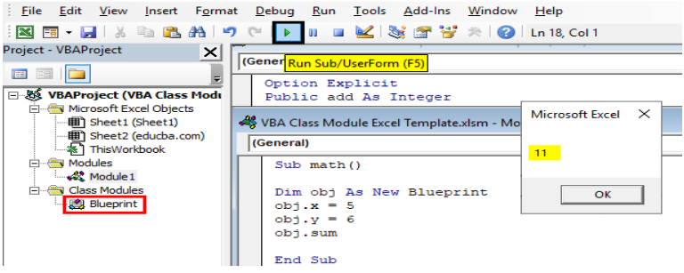
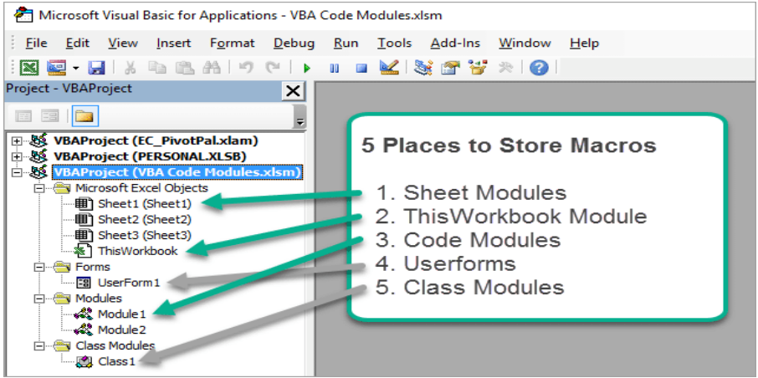
Q-2 What is Class Module and what is the difference between a Class Module and a Module?
◊ Class module in VBA can be defined as the module that helps to create our own objects with our own properties and methods like worksheets and range objectives of excel.

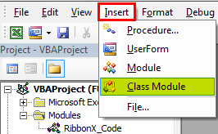

◊ A class is a type. We can use this type like any other type (String, Integer, Date, File Info ...) to declare variables, parameters, properties, and function return types.
Whereas modules are static. I.e., Data stored in a module exists exactly once.

Q-5
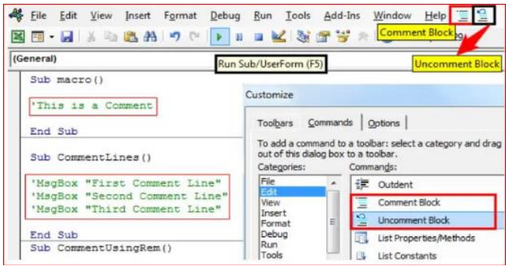
Q-5 How do you add comments in a VBA code? How do you add multiple lines of comments in a VBA code?

◊ The comment symbol: Apostrophe', or “REM,” must be used on each line if the comments require more than one line. By default, the comments appear green in the code window.

→ First, click on the line where you want to insert the comment.

→ After that, type an APOSTROPHE using your keyboard key.

→ Next, type the comment that you want to add to the code.

→ In the end, hit enter to move to the new line and the comment will turn green.

